Sheet1


M/S International Industries Limited |  |  |  |  |  | 15-Apr-25
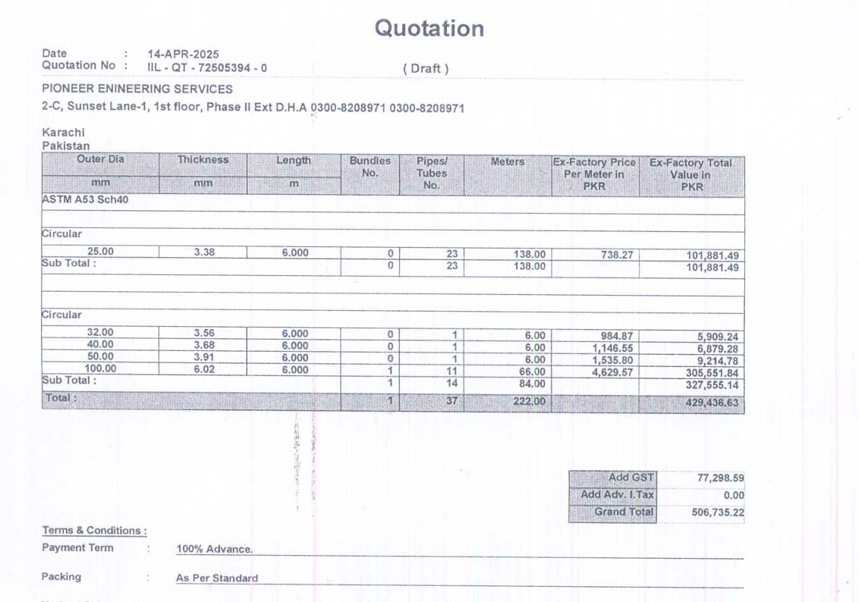

Att: Mr. Sohail Rafiq

PURCHASE ORDER

Supply of ERW Black Pipe Plain End for the project (J Outlet Fortress Mall Lahore)
S No. | D e s c r i p t i o n | Qty | Unit | Mtr | Rate | Amount
1 | ERW Black pipe Plain End 25mm | 23 | LEN | 138 | 738.27 | 101,881.26
2 | ERW Black pipe Plain End 32mm | 1 | LEN | 6 | 984.87 | 5,909.22
3 | ERW Black pipe Plain End 40mm | 1 | LEN | 6 | 1,146.55 | 6,879.30
4 | ERW Black pipe Plain End 50mm | 1 | LEN | 6 | 1,535.80 | 9,214.80
5 | ERW Black pipe Plain End 100mm | 11 | LEN | 66 | 4,629.57 | 305,551.62
 |  | TOTAL: |  |  |  | 429,436
GST 18% |  |  |  |  |  | 77,299
Total amount |  |  |  |  |  | 506,735

for PIONEER ENGINEERING SERVICES

